Sheet1
CS360, Machine Learning Lab

Project on "Neural approach for credit card Fraud Detection"

- By Soumyajit Karmakar, 1901200

Result Sheet

The following heat map graph shows the interdependence of various features in the dataset.
Larger positive value on heat map means stronger direct relation, while larger negative value means stronger inverse relation, zero means no relation.

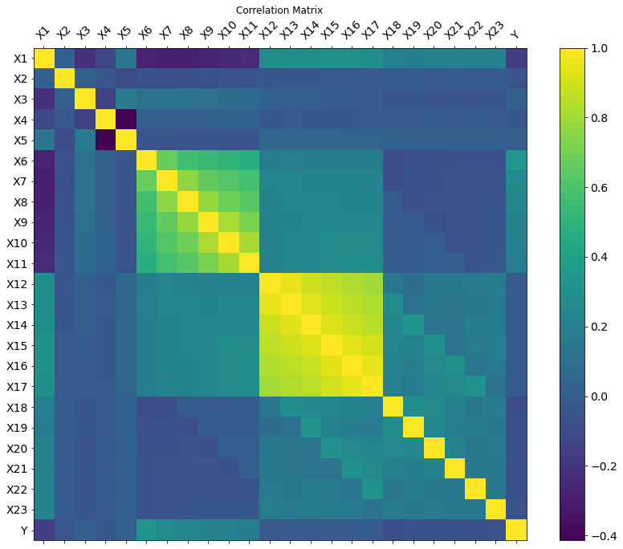

PS : The confusion matrices given in this file are all of the format :

 |  | True Positive | False Positive
 |  | False Negative | True Negative

 | Here positive refers to the class 1 and negative refers to the class 0.

Performance of Logistic Regression

 | Confusion matrix :
 |  | 6828 | 1567
 |  | 1186 | 419

 | Performance score :
 | class | precision | recall | f1-score | support
 | 0 | 0.81 | 0.97 | 0.89 | 7014
 | 1 | 0.69 | 0.21 | 0.32 | 1986

 | macro avg | 0.75 | 0.59 | 0.6 | 9000
 | weighted avg | 0.79 | 0.81 | 0.76 | 9000

 | accuracy | 0.8

Performance of Single Layer Perceptron

 | Confusion matrix :
 |  | 7034 | 1909
 |  | 17 | 40

 | Performance score :
 | class | precision | recall | f1-score | support
 | 0 | 0.79 | 1 | 0.88 | 7051
 | 1 | 0.7 | 0.02 | 0.04 | 1949

 | macro avg | 0.74 | 0.51 | 0.46 | 9000
 | weighted avg | 0.77 | 0.79 | 0.7 | 9000

 | accuracy | 0.78

Performance of Multi Layer Perceptron

 | 1. Results of the hyperparameter training (Accuracy Table in %).

 |  |  |  |  |  | Hidden Nodes
 |  |  |  | 5 | 10 | 15 | 20 | 25 | 30
 |  |  | 0.5 | 82.5,81.6,82.1 | 82.3,82.1,81.6 | 81.5,81.8,82.5 | 81.3,82,82.5 | 81.8,82,81.5 | 81.9,82.2,82.2
 |  |  | 0.1 | 81.5,81.7,81.3 | 82.2,81.7,81.4 | 81.3,81.5,81.6 | 81.9,81.8,82.5 | 81.7,81.8,81.6 | 81.6,81.8,81.1
 |  | Alpha | 0.05 | 82.3,81.3,81.5 | 81,81.8,81.9 | 82,82.2,82.7 | 81.8,81.7,82.3 | 81.3,81.8,81.3 | 81.3,81.2,82.1
 |  |  | 0.01 | 81.8,80.9,82 | 81.1,81.5,80.9 | 80.5,81.5,81.5 | 80.9,80.9,80.3 | 81.1,81.3,81.4 | 80.5,81,81.2
 |  |  | 0.005 | 80.7,81.5,80.8 | 79.8,80.4,80.5 | 80.3,80.7,80.6 | 81.1,80.7,80 | 80.7,80.5,80.7 | 80,80.8,80.9
 |  |  | 0.001 | 77.9,77.3,78.2 | 78.1,77.7,78 | 78.2,77.9,78.6 | 77.9,77.8,76.9 | 78.4,77.6,79.5 | 77.8,78.8,79.7

 |  | The first column contains the values of learning rate, while the first row contains the number of hidden nodes in the architecture.
 |  | For each pair of alpha and hidden node there are 3 values of accuracy corresponding to the 3 ratios of training set to validation set.
 |  | First one is 60:40, second one is 70:30, third one is 80:20.

 | 2. Result of the k-fold cross validation (k = 5) :

 |  | Fold : 1

 |  | Confusion Matrix :
 |  |  | 4420 | 895
 |  |  | 267 | 418

 |  | Performance score :
 |  | class | precision | recall | f1-score | support
 |  | 0 | 0.83 | 0.94 | 0.88 | 4687
 |  | 1 | 0.61 | 0.32 | 0.42 | 1313

 |  | macro avg | 0.72 | 0.63 | 0.65 | 6000
 |  | weighted avg | 0.78 | 0.81 | 0.78 | 6000

 |  | accuracy | 0.81

 |  | Fold : 2

 |  | Confusion Matrix :
 |  |  | 4374 | 936
 |  |  | 246 | 444

 |  | Performance score :
 |  | class | precision | recall | f1-score | support
 |  | 0 | 0.82 | 0.95 | 0.88 | 4620
 |  | 1 | 0.64 | 0.32 | 0.43 | 1380

 |  | macro avg | 0.73 | 0.63 | 0.65 | 6000
 |  | weighted avg | 0.78 | 0.8 | 0.78 | 6000

 |  | accuracy | 0.8

 |  | Fold : 3

 |  | Confusion Matrix :
 |  |  | 4307 | 867
 |  |  | 236 | 590

 |  | Performance score :
 |  | class | precision | recall | f1-score | support
 |  | 0 | 0.83 | 0.95 | 0.89 | 4543
 |  | 1 | 0.71 | 0.4 | 0.52 | 1457

 |  | macro avg | 0.77 | 0.68 | 0.7 | 6000
 |  | weighted avg | 0.8 | 0.82 | 0.8 | 6000

 |  | accuracy | 0.82

 |  | Fold : 4

 |  | Confusion Matrix :
 |  |  | 4573 | 778
 |  |  | 207 | 442

 |  | Performance score :
 |  | class | precision | recall | f1-score | support
 |  | 0 | 0.85 | 0.96 | 0.9 | 4780
 |  | 1 | 0.68 | 0.36 | 0.47 | 1220

 |  | macro avg | 0.77 | 0.66 | 0.69 | 6000
 |  | weighted avg | 0.82 | 0.84 | 0.82 | 6000

 |  | accuracy | 0.84

 |  | Fold : 5

 |  | Confusion Matrix :
 |  |  | 4553 | 834
 |  |  | 181 | 432

 |  | Performance score :
 |  | class | precision | recall | f1-score | support
 |  | 0 | 0.85 | 0.96 | 0.9 | 4734
 |  | 1 | 0.7 | 0.34 | 0.46 | 1266

 |  | macro avg | 0.77 | 0.65 | 0.68 | 6000
 |  | weighted avg | 0.82 | 0.83 | 0.81 | 6000

 |  | accuracy | 0.83

 | 3. Overall performance of the model :

 |  | Class | Average Precision | Average Recall | Average F1-score | Average Patterns
 |  | 0 | 0.836 | 0.952 | 0.89 | ~4673
 |  | 1 | 0.668 | 0.348 | 0.46 | ~1327

 |  | Macro Average | 0.752 | 0.65 | 0.674
 |  | Weighted Average | 0.8 | 0.82 | 0.798

 |  | Overall Accuracy | 0.82

